FMP - Series 13 (1114 Days)
UNION MUTUAL FUND | YK43
Registered Office: Unit 503, 5th Floor, Leela Business Park, Andheri Kurla Road, Andheri (East), Mumbai - 400059
Toll Free No.: 18002002268 I Non Toll Free.: 022-67483333 I Website: www.unionmf.com • Email: investorcare@unionmf.com

PURSUANT TO REGULATION 59A OF SECURITIES & EXCHANGE BOARD OF INDIA (MUTUAL FUNDS) REGULATIONS, 1996
MONTHLY PORTFOLIO STATEMENT OF UNION FIXED MATURITY PLAN (FMP)- SERIES 13 (1114 DAYS ) AS ON MAY 31, 2025
(A Close-ended Debt Scheme. A relatively high interest rate risk and moderate credit risk.)
Name of the Instrument | ISIN | Rating / Industry | Quantity | Market value (Rs. in Lakhs) | % to NAV | YTM %
 |  |  |  |  |  |  | Industry / Rating | % to NAV | Sector | % to NAV | Top 10 Issuers | % to NAV
EQUITY & EQUITY RELATED |  |  |  |  |  |  | Sovereign | 96.89 | Sovereign | 96.89 | Government of India | 68.53
 |  |  |  |  |  |  | Cash & Cash Equivalents | 3.11 | Cash & Cash Equivalents | 3.11 | State Government of Gujarat | 19.43
a) Listed/awaiting listing on Stock Exchanges |  |  |  | NIL | NIL |  |  |  |  |  | State Government of Maharashtra | 3.92
 |  |  |  |  |  |  |  |  |  |  | State Government of Rajasthan | 2.94
b) Unlisted |  |  |  | NIL | NIL |  |  |  |  |  | State Government of Uttar Pradesh | 2.07

c) Foreign Securities and /or overseas ETF |  |  |  | NIL | NIL

d) Real Estate Investment Trust |  |  |  | NIL | NIL

e) Infrastructure Investment Trust |  |  |  | NIL | NIL

DEBT INSTRUMENTS
a) Listed/awaiting listing on the stock exchanges |  |  |  | NIL | NIL

b) Privately Placed/Unlisted |  |  |  | NIL | NIL

c) Securitised Debt Instruments |  |  |  | NIL | NIL

d) Central Government Securities
GOI 5.63% 2026 | IN0020210012 | Sovereign | 155,000,000 | 1,549.53 | 59.49 | 5.74
GOI 7.27% 2026 | IN0020190016 | Sovereign | 23,250,000 | 235.46 | 9.04 | 5.79
Total |  |  |  | 1,784.99 | 68.53

e) State Government Securities
State Government of Gujarat 7.35% 2026 | IN1520220303 | Sovereign | 50,000,000 | 506.13 | 19.43 | 5.85
State Government of Rajasthan 8.55% 2026 | IN2920150264 | Sovereign | 7,500,000 | 76.52 | 2.94 | 5.89
State Government of Maharashtra 8.51% 2026 | IN2220150204 | Sovereign | 5,000,000 | 51.01 | 1.96 | 5.87
State Government of Maharashtra 8.67% 2026 | IN2220150196 | Sovereign | 5,000,000 | 51.01 | 1.96 | 5.86
State Government of Uttar Pradesh 8.34% 2026 | IN3320150359 | Sovereign | 3,500,000 | 35.52 | 1.36 | 5.93
State Government of Uttar Pradesh 8.58% 2026 | IN3320150391 | Sovereign | 1,800,000 | 18.37 | 0.71 | 5.89
Total |  |  |  | 738.56 | 28.36

MONEY MARKET INSTRUMENTS

a) Commercial Paper |  |  |  | NIL | NIL

b) Certificate of Deposits |  |  |  | NIL | NIL

c) Treasury Bills |  |  |  | NIL | NIL

d) Bills Re- Discounting |  |  |  | NIL | NIL

OTHERS
a) Mutual Fund Units / Exchange Traded Funds |  |  |  | NIL | NIL

b) Short Term Deposits |  |  |  | NIL | NIL

c) Term Deposits Placed as Margins |  |  |  | NIL | NIL

d) Alternative Investment Funds |  |  |  | NIL | NIL

e) TREPS / Reverse Repo Investments
TREPS |  |  |  | 54.84 | 2.11 | 5.82
Total |  |  |  | 54.84 | 2.11

Other Current Assets / (Liabilities)
Net Receivable / Payable |  |  |  | 26.13 | 1.00
Total |  |  |  | 26.13 | 1.00

GRAND TOTAL (AUM) |  |  |  | 2,604.52 | 100.00

Notes:
1. Total Securities in default beyond its maturity date
Name of security | ISIN Code | Net receivable/ market value | Net receivable/ market value | Total amount due (including principal and interest)
 |  | (Rs. in Lakhs) | (as % to NAV) | (Rs. in Lakhs)
NIL | NIL | NIL | NIL | NIL

2. NAV at the beginning of the period - April 30, 2025 (Rs. per unit)
Regular Plan Income Distribution cum Capital Withdrawal Option | 11.5853
Regular Plan Growth Option | 11.5853
Direct Plan Income Distribution cum Capital Withdrawal Option@ | N.A
Direct Plan Growth Option | 11.6582

3. NAV at the end of the period - May 31, 2025 (Rs. per unit)***
Regular Plan Income Distribution cum Capital Withdrawal Option | 11.6681
Regular Plan Growth Option | 11.6681
Direct Plan Income Distribution cum Capital Withdrawal Option@ | N.A
Direct Plan Growth Option | 11.7445
*** Figures declared refers to computed NAVs

@ There are no investors in the option.

4. Total gross exposure to derivative instruments as on May 31, 2025 is Nil.
(Gross exposure means sum of all long and short positions in derivatives)

5. Investment in foreign securities/ADRs/GDRs/Overseas ETF as May 31, 2025 is Nil.

6. Average/Residual Portfolio Maturity is 0.82 Years.
7. Annualised Portfolio YTM is 5.70%
8. Macaulay Duration is 0.81 Years

9. Total IDCW (Net) declared during the monthly period - (IDCW - Income Distribution cum Capital Withdrawal)
 |  | (Rs. per unit)
Option Name | Individual & HUF | Others
Regular Plan - Income Distribution cum Capital Withdrawal Option | Nil | Nil
Direct Plan - Income Distribution cum Capital Withdrawal Option | Nil | Nil
IDCW are declared on face value of Rs.10 per unit. After distribution of IDCW, the NAV falls to the extent of IDCW payout and statutory levy, if any.
For detailed history of IDCW declared please visit www.unionmf.com.
No bonus was declared by the Scheme during the monthly period ending May 31, 2025.

10. Repo transactions in corporate debt securities during the monthly period ending on May 31, 2025 is Nil.
11. Risk o Meter for Union Fixed Maturity Plan (FMP) - Series 13 (1114 Days ) & for its Benchmark CRISIL MEDIUM DURATION DEBT A-III INDEX ###:

Riskometer | Benchmark Riskometer
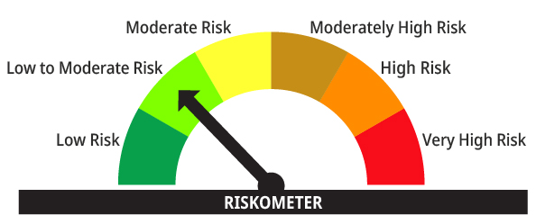
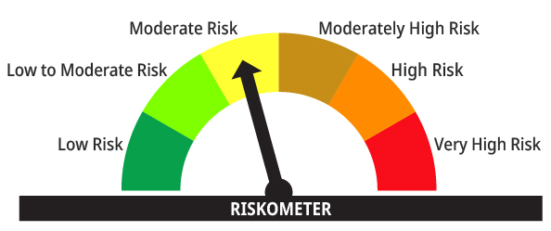

The risk of the scheme is low to moderate risk | The risk of the CRISIL Medium Duration Debt A-III Index# (Benchmark) is moderate risk

#CRISIL Benchmark Disclaimer: CRISIL Indices are the sole property of CRISIL Limited (CRISIL). CRISIL Indices shall not be copied, transmitted or distributed in any manner for any commercial use. CRISIL has taken due care and caution in computation of the Indices, based on the data obtained from sources, which it considers reliable. However, CRISIL does not guarantee the accuracy, adequacy or completeness of the Indices and is not responsible for any errors or for the results obtained from the use of the Indices. CRISIL especially states that it has no financial liability whatsoever to the users of CRISIL Indices.
### : Note: The Scheme risk-o-meter is based on evaluation of the portfolio data as on May, 31, 2025. Further, for the Benchmark, the latest available risk-o-meter has been provided.

